Dashboard
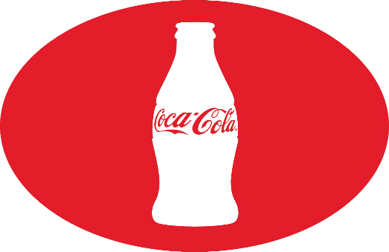
Coca cola USA Retailer DashBoaed
Figures in USD

This Photo by Unknown Author is licensed under CC BY-NC

Total Sales
Total OperatingProfit
Average Price
Units Sold
12,016,665.00
4,722,496.77
$0.452
24,788,610.00

Sales by Baverage Brand |  |  |  | Sales by Retailer
Brand | Sales 2022 | Sales2023 | Variance | Retailer | Sales2022 | Sales 2023 | Variance
Coca-Cola | 499,102.00 | 2,268,974.90 | 1,769,872.90 | Amazon | 276,210.00 | 1,009,698.70 | 733,488.70
Dasani Water | 469,270.70 | 1,917,827.80 | 1,448,557.10 | BevCo | 466,788.00 | 2,327,606.50 | 1,860,818.50
Diet Coke | 423,758.70 | 1,633,959.30 | 1,210,200.60 | FizzyCo | 161,210.10 | 2,262,827.10 | 2,101,617.00
Fanta | 315,489.20 | 1,116,062.90 | 800,573.70 | Target | 9,250.30 | 1,341,995.00 | 1,332,744.70
Powerade | 349,533.90 | 1,302,529.30 | 952,995.40 | Walmart | 339,912.50 | 580,211.00 | 240,298.50
Sprite | 366,578.00 | 1,353,578.30 | 987,000.30 | West Soda | 1,170,361.60 | 2,070,594.20 | 900,232.60
Total | Total | Total | Total | Grand Total | 2423732.5 | 9592932.5 | 7,169,200.00

Sales and Operating Porfit Margin by Quarter
2022 | 0 | 692776.1 | 0.40174683544
0 | 0 | 644203.9 | 0.4
0 | 0 | 719170.4 | 0.41026548673
0 | 0 | 367582.1 | 0.40243816254
2023 | 0 | 1877584.3 | 0.4165704501
0 | 0 | 2379424.8 | 0.42755819477
0 | 0 | 2805752.5 | 0.43470170455
0 | 0 | 2530170.9 | 0.42483932854

